Sheet1
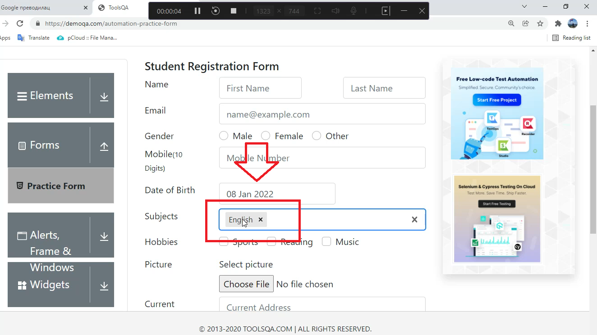  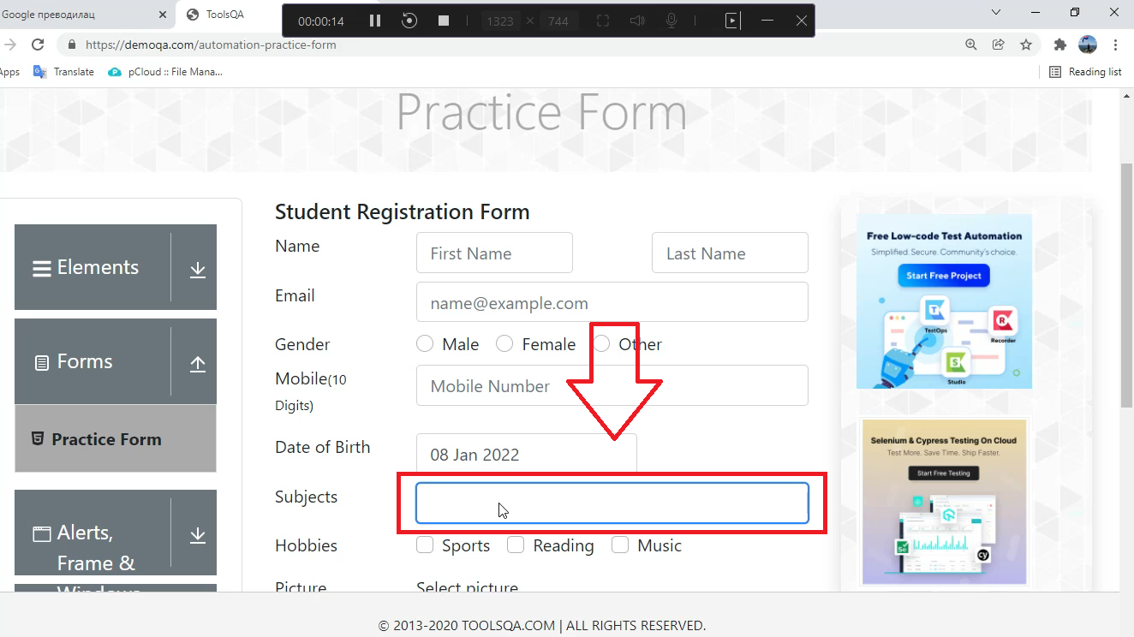 
Summary

When a user deletes an entry, with backspace button on keyboard from Subject field, the page is lost

Description

When the user goes at https://demoqa.com/automation-practice-form and enter a letter in the Subject input field, the autocomplete offers options that contain that letter. If there is no option that contains the entered letter, that letter remains printed. However, when the user deletes any entry, using the backspace key on the keyboard, selected by the autocomplete option or deletes all entered letters and presses the backspace key on the keyboard in an empty field, the page is lost. | Sve je ovde okej ali ovo nije bug, takav feature je prisutan svuda

Steps to reproduce

1. Open Google Chrome browser 2. Go to URL: https://demoqa.com/automation-practice-form 3. Click on Subject input field 4. Input example: "s" 5. Delete entered letter using backspace key on keyboard 6. Press backspace key on keyboard
8
Expected Result

All input from Subject input field is deleted

Actual result

Page https://demoqa.com/automation-practice-form becomes blank page

Priority: Medium
Severity: Medium
Repro rate: 100%

Screenshot

